Sheet1
Power Consumption Comparison for PDL5, ZDL5, CDi3 Plunger Lifts and Intermitters
Board Power: | Calculates the total power in AmpHours drawn from the battery, current times duration of the total "on" period. In the Case 1 example below, the board draws 53mA for 5.96 seconds.
Power to TRs: | Calculates as above, but this is the power drawn by the pressure transmitters, analog transmitters consume 12mA each, digital ones 4mA each.
Open Power: | As above, but this is the power drawn by the "open" action to latch the solenoid. Usually 2.4 Amps for 25 mS
Close Power: | As above, but this is the power drawn by the "close" action to latch the solenoid. Usually 1.2 Amps for 42 mS
Battery (Ahr): | The battery capacity in AmpHours
W/S and Reads: | W/S is the number of wakeups/shutdowns. The "Reads" number is higher because of the extra read, 6 seconds after open.
Years: | The approx. number of years of operation based on the AmpHours per year, Ahr/Y, consumption. Does not calculate self-discharge, around 5%/month for lead acid, 2% for NiMH

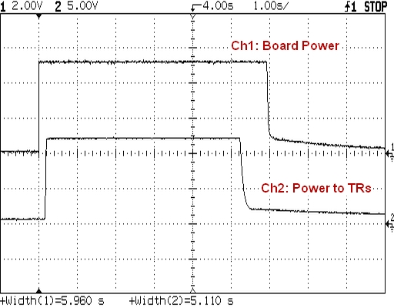
Case 1. Typical Analog P5 Plunger Lift with 3 Pressure Transmitters, DS1386 RTC
 |  |  | Amps | Secs | Ahr | Interval(m) | Cycle(m) | Days | Open | Close | W/S | Reads | Ahr/Y | Years
 |  | Board Power | 0.053 | 5.96 | 0.00008774
 |  | Power to TRs | 0.036 | 5.11 | 0.00005110
 |  | Open Power | 2.4 | 0.025 | 0.00001667
 |  | Close Power | 1.2 | 0.042 | 0.00001400
 |  | Battery (Ahr) | 14 |  | 0.00013884 | 15 | 120 | 365 | 4380 | 4380 | 35040 | 39420 | 5.61 | 2.5

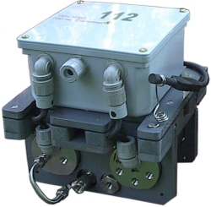
 |  | Model |  |  | P5 Switcher
 |  |  |  | Board | CDi-1(PDL5)
 |  | CPU |  |  | NSC800N
 |  | Clock |  |  | 3.07 MHz
 |  | Timebase |  |  | 5 Secs
 |  | RTC |  |  | DS1386
 |  | Baud Rate |  |  | 9600
 |  | Future Start Max |  |  | 3 Days

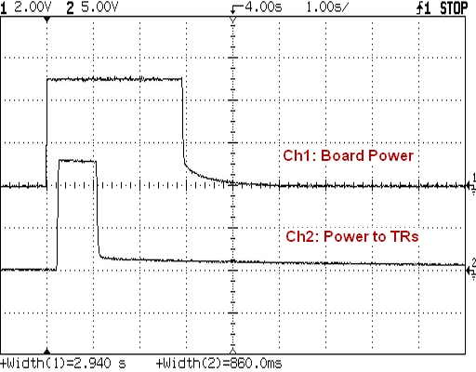
Case 2. Typical Digital ZDL5 Plunger Lift with 3 Keller-Digital Pressure Transmitters, DS1386 RTC
 |  |  | Amps | Secs | Ahr | Interval(m) | Cycle(m) | Days | Open | Close | W/S | Reads | Ahr/Y | Years
 |  | Board Power | 0.053 | 2.94 | 0.00004328
 |  | Power to TRs | 0.012 | 0.86 | 0.00000287
 |  | Open Power | 2.4 | 0.025 | 0.00001667
 |  | Close Power | 1.2 | 0.042 | 0.00001400
 |  | Battery (Ahr) | 14 |  | 0.00004615 | 15 | 120 | 365 | 4380 | 4380 | 35040 | 39420 | 1.95 | 7.2

 |  | Model |  |  | P5 Switcher
 |  |  |  | Board | CDi-1(PDL5)
 |  | CPU |  |  | NSC800N
 |  | Clock |  |  | 3.07 MHz
 |  | Timebase |  |  | 2 Secs
 |  | RTC |  |  | DS1386
 |  | Baud Rate |  |  | 9600
 |  | Future Start Max |  |  | 24 Hr

Case 3. Typical Analog P5 Intermitter with 3 Pressure Transmitters, DS1386 RTC
 |  |  | Amps | Secs | Ahr | Interval(m) | Cycle(m) | Days | Open | Close | W/S | Reads | Ahr/Y | Years
 |  | Board Power | 0.053 | 5.96 | 0.00008774
 |  | Power to TRs | 0.036 | 5.11 | 0.00005110
 |  | Open Power | 2.4 | 0.025 | 0.00001667
 |  | Close Power | 1.2 | 0.042 | 0.00001400
 |  | Battery (Ahr) | 14 |  | 0.00013884 | 30 | 2160 | 365 | 243.33333333 | 243.33333333 | 17520 | 17763.333333 | 2.47 | 5.7

 |  | Model |  |  | P5 Switcher
 |  |  |  | Board | CDi-1(PDL5)
 |  | CPU |  |  | NSC800N
 |  | Clock |  |  | 3.07 MHz
 |  | Timebase |  |  | 5 Secs
 |  | RTC |  |  | DS1386
 |  | Baud Rate |  |  | 9600
 |  | Future Start Max |  |  | 3 Days

Case 4. Typical Digital ZDL5 Intermitter with 3 Keller-Digital Pressure Transmitters, DS1386 RTC
 |  |  | Amps | Secs | Ahr | Interval(m) | Cycle(m) | Days | Open | Close | W/S | Reads | Ahr/Y | Years
 |  | Board Power | 0.053 | 2.94 | 0.00004328
 |  | Power to TRs | 0.012 | 0.86 | 0.00000287
 |  | Open Power | 2.4 | 0.025 | 0.00001667
 |  | Close Power | 1.2 | 0.042 | 0.00001400
 |  | Battery (Ahr) | 14 |  | 0.00004615 | 30 | 2160 | 365 | 243.33333333 | 243.33333333 | 17520 | 17763.333333 | 0.83 | 16.9

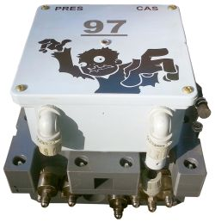
 |  | Model |  |  | P5 Switcher
 |  |  |  | Board | CDi-1(PDL5)
 |  | CPU |  |  | NSC800N
 |  | Clock |  |  | 3.07 MHz
 |  | Timebase |  |  | 2 Secs
 |  | RTC |  |  | DS1386
 |  | Baud Rate |  |  | 9600
 |  | Future Start Max |  |  | 24 Hr

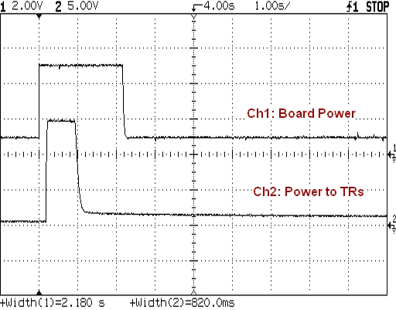
Case 5. Typical Digital CDi3.FTe Intermitter with 3 Keller-Digital Pressure Transmitters, DS1386 RTC
 |  |  | Amps | Secs | Ahr | Interval(m) | Cycle(m) | Days | Open | Close | W/S | Reads | Ahr/Y | Years
 |  | Board Power | 0.06 | 2.18 | 0.00003633
 |  | Power to TRs | 0.012 | 0.82 | 0.00000273
 |  | Open Power | 2.4 | 0.025 | 0.00001667
 |  | Close Power | 1.2 | 0.042 | 0.00001400
 |  | Battery (Ahr) | 10 |  | 0.00003907 | 30 | 2160 | 365 | 243.33333333 | 243.33333333 | 17520 | 17763.333333 | 0.70 | 14.3

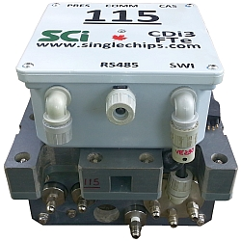
 |  | Model |  |  | CDi3.FTe
 |  |  |  | Board | CDi3.P7
 |  | CPU |  |  | Z8S180
 |  | Clock |  |  | 7.32 MHz
 |  | Timebase |  |  | 2 Secs
 |  | RTC |  |  | DS1386
 |  | Baud Rate |  |  | 115.2 K
 |  | Future Start Max |  |  | 24 Hr

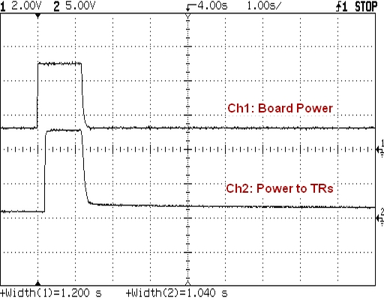
Case 6. Typical Digital CDi3.FTe Intermitter with 3 Keller-Digital Pressure Transmitters, DS1553/DS1554 RTC
 |  |  | Amps | Secs | Ahr | Interval(m) | Cycle(m) | Days | Open | Close | W/S | Reads | Ahr/Y | Years
 |  | Board Power | 0.06 | 1.2 | 0.00002000
 |  | Power to TRs | 0.012 | 1.04 | 0.00000347
 |  | Open Power | 2.4 | 0.025 | 0.00001667
 |  | Close Power | 1.2 | 0.042 | 0.00001400
 |  | Battery (Ahr) | 10 |  | 0.00002347 | 30 | 2160 | 365 | 243.33333333 | 243.33333333 | 17520 | 17763.333333 | 0.42 | 23.6

 |  | Model |  |  | CDi3.FTe
 |  |  |  | Board | CDi3.P7
 |  | CPU |  |  | Z8S180
 |  | Clock |  |  | 7.32 MHz
 |  | Timebase |  |  | N/A
 |  | RTC |  |  | DS1553
 |  | Baud Rate |  |  | 115.2 K
 |  | Future Start Max |  |  | 30 Day

